Charts1
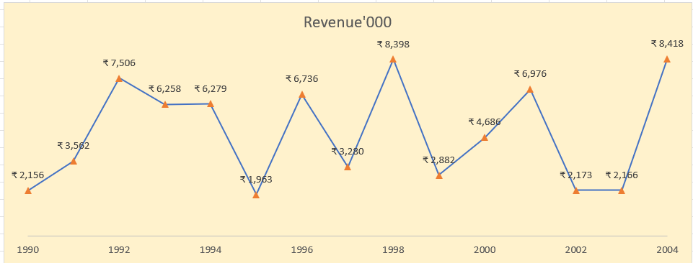
Create Line Chart with Proper formatting
Should be formatted as shown in picture

Revenue'000
Date | Revenue'000 | Row Labels | Sum of Revenue'000
1990 | ₹ 2,156 | 1990 | ₹ 2,156.00
1991 | ₹ 3,562 | 1991 | ₹ 3,562.00
1992 | ₹ 7,506 | 1992 | ₹ 7,506.00
1993 | ₹ 6,258 | 1993 | ₹ 6,258.00
1994 | ₹ 6,279 | 1994 | ₹ 6,279.00
1995 | ₹ 1,963 | 1995 | ₹ 1,963.00
1996 | ₹ 6,736 | 1996 | ₹ 6,736.00
1997 | ₹ 3,280 | 1997 | ₹ 3,280.00 | Ans:>
1998 | ₹ 8,398 | 1998 | ₹ 8,398.00
1999 | ₹ 2,882 | 1999 | ₹ 2,882.00
2000 | ₹ 4,686 | 2000 | ₹ 4,686.00
2001 | ₹ 6,976 | 2001 | ₹ 6,976.00
2002 | ₹ 2,173 | 2002 | ₹ 2,173.00
2003 | ₹ 2,166 | 2003 | ₹ 2,166.00
2004 | ₹ 8,418 | 2004 | ₹ 8,418.00
 |  | Grand Total | 73439

Charts2
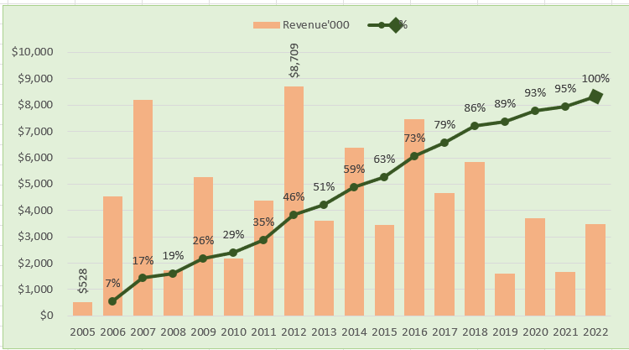
 | Revenue'000 | %
2005 | $528.00
2006 | $4,550.00 | 6.56%
2007 | $8,189.00 | 17.14%
2008 | $1,730.00 | 19.38%
2009 | $5,262.00 | 26.18%
2010 | $2,172.00 | 28.98%
2011 | $4,384.00 | 34.65%
2012 | $8,709.00 | 45.90%
2013 | $3,618.00 | 50.58%
2014 | $6,372.00 | 58.81%
2015 | $3,456.00 | 63.28%
2016 | $7,478.00 | 72.94%
2017 | $4,649.00 | 78.95%
2018 | $5,831.00 | 86.48%
2019 | $1,599.00 | 88.55%
2020 | $3,695.00 | 93.32%
2021 | $1,678.00 | 95.49%
2022 | $3,490.00 | 100.00%
Create Combo Chart with Proper formatting
Should be formatted as shown in picture

Date | Revenue'000 | Running Total | %
2005 | $528
2006 | $4,550 | 5,078.00 | 7%
2007 | $8,189 | 13,267.00 | 17%
2008 | $1,730 | 14,997.00 | 19%
2009 | $5,262 | 20,259.00 | 26%
2010 | $2,172 | 22,431.00 | 29%
2011 | $4,384 | 26,815.00 | 35%
2012 | $8,709 | 35,524.00 | 46%
2013 | $3,618 | 39,142.00 | 51%
2014 | $6,372 | 45,514.00 | 59%
2015 | $3,456 | 48,970.00 | 63% | % | (All)
2016 | $7,478 | 56,448.00 | 73%
2017 | $4,649 | 61,097.00 | 79% | Row Labels | % | Revenue'000
2018 | $5,831 | 66,928.00 | 86% | 2005 |  | $528.00
2019 | $1,599 | 68,527.00 | 89% | 2006 | 6.56% | $4,550.00
2020 | $3,695 | 72,222.00 | 93% | 2007 | 17.14% | $8,189.00
2021 | $1,678 | 73,900.00 | 95% | 2008 | 19.38% | $1,730.00
2022 | $3,490 | 77,390.00 | 100% | 2009 | 26.18% | $5,262.00
 |  |  |  | 2010 | 28.98% | $2,172.00 | Ans:>
Total | $77,390 |  |  | 2011 | 34.65% | $4,384.00
 |  |  |  | 2012 | 45.90% | $8,709.00
 |  |  |  | 2013 | 50.58% | $3,618.00
 |  |  |  | 2014 | 58.81% | $6,372.00
 |  |  |  | 2015 | 63.28% | $3,456.00
 |  |  |  | 2016 | 72.94% | $7,478.00
 |  |  |  | 2017 | 78.95% | $4,649.00
 |  |  |  | 2018 | 86.48% | $5,831.00
 |  |  |  | 2019 | 88.55% | $1,599.00
 |  |  |  | 2020 | 93.32% | $3,695.00
 |  |  |  | 2021 | 95.49% | $1,678.00
 |  |  |  | 2022 | 100.00% | $3,490.00
 |  |  |  | Grand Total | 9.6719085153 | 77390

3
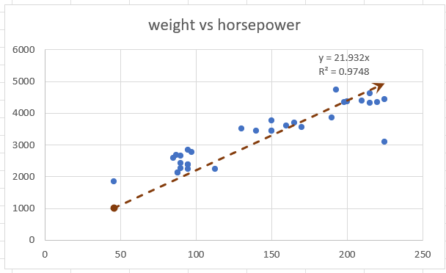
Create Scatter Chart with Proper formatting
Should be formatted as shown in picture
X | Y
horsepower | weight | (X-XBAR) | (Y-YBAR)
130 | 3504
165 | 3693
150 | 3436
150 | 3433
140 | 3449
198 | 4341
220 | 4354
215 | 4312 | ans :>
225 | 4425
weight vs horsepower
190 | 3850
170 | 3563
160 | 3609
150 | 3761
225 | 3086
95 | 2372
95 | 2833
97 | 2774
85 | 2587
88 | 2130
46 | 1835
87 | 2672
90 | 2430
95 | 2375
113 | 2234
90 | 2648
215 | 4615
200 | 4376
210 | 4382
193 | 4732
88 | 2130
90 | 2264
95 | 2228

